Age distribution
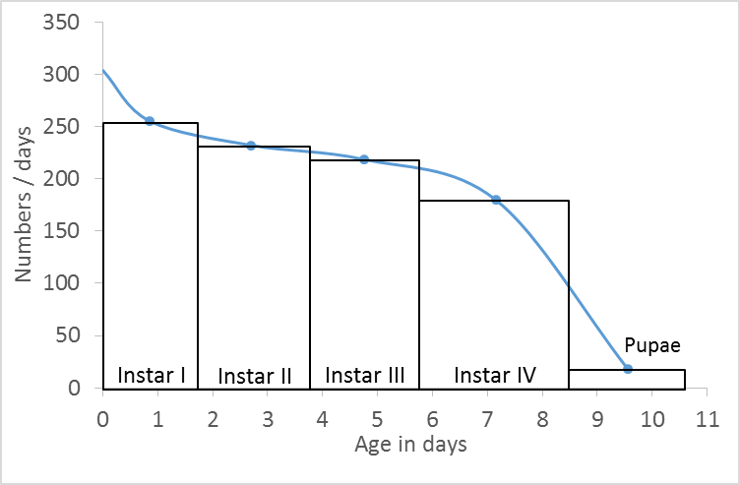
Age distribution of An. albimanus immatures in one natural breeding site in Nuquí, Chocó, Colombia (July, 2015)

Stage | Number | Duration [days] | Mid-point in the life of the stage | Number/days | Error
 |  |  | 0 | 304
Instar I | 434.0 | 1.7 | 0.85 | 255 | 9.45
Instar II | 464.0 | 2 | 2.70 | 232 | 7.15
Instar III | 459.0 | 2.1 | 4.75 | 219 | 10.49
Instar I
Instar IV | 486.0 | 2.7 | 7.15 | 180 | 14.34
Instar II
Instar III
Pupae | 39 | 2.1 | 9.55 | 19 | 1.46
 |  |  | 11 | 19
Instar IV

